Sheet1
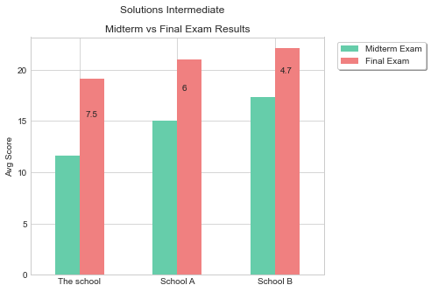
Other Schools | Midterm Exam | Final Exam
Compared to School A | -3.4 | -1.9
Compared to School B | -5.7 | -2.9

